Institution A


Contact Details Swiss Applicants

PROJECT IDENTIFICATION
Project acronym
Project title
Call ID:

PARTICIPATING SWISS INSTITUTION (Beneficiary)
Name of institution/company | A…
Department
Division
PIC
Enterprise Identification Number UID | CHE-999.999.99 xx
Street, No
P.O. Box
Postal Code
City
CH institutional category according to ECSEL call: IND - SME or public research organisation (PRO): | PRO

CONTACT PERSON
Academic degree
Position/function in Institution
First Name
Surname
E-Mail
Phone
Mobile Phone

SME
IND
PRO

Total of other direct costs
Summary of Other direct costs according to Innosuisse rules

(fill in) | (fill in or update link)
Other direct costs [EUR] | Travel costs [EUR | Equipment costs [EUR] | Other goods and services [EUR] | Total per Partner [EUR] | Total per Partner [CHF]
Partner A | 16,981.13 | 60,849.06 | 11,226.42 | 89,056.60 | 94,400.00
Partner B | 6,603.77 | 5,660.38 | 8,490.57 | 20,754.72 | 22,000.00
Partner E | 3,773.58 | 35,490.57 | 13,207.55 | 52,471.70 | 55,620.00 | Reminder regarding eligibility of other direct costs:
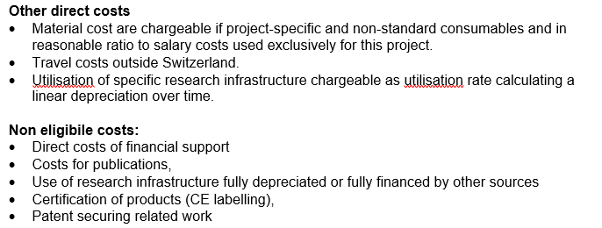
Partner F | 10,377.36 | 0.00 | 2,830.19 | 13,207.55 | 14,000.00
… |  |  |  | 0.00 | 0.00
… |  |  |  | 0.00 | 0.00
… |  |  |  | 0.00 | 0.00
… |  |  |  | 0.00 | 0.00
 |  |  |  | 0.00 | 0.00
 |  |  |  | 0.00 | 0.00
Total of other direct costs per cost category [EUR] | 37,735.85 | 102,000.00 | 35,754.72
Total of other direct costs per cost category [CHF] | 40,000.00 | 108,120.00 | 37,900.00
TOTAL of other direct costs [EUR] |  |  |  | 175,490.57
TOTAL of other direct costs [CHF] |  |  |  |  | 186,020.00

Eligibility checks
Eligibility check |  |  |  |  |  |  |  |  |  |  |  |  |  | Part C
 |  |  | The “JU Grant” table |  |  |  |  |  |  |  |  |  |  | The “National Grant” table
 |  |  |  |  |  |  |  |  | Not applicable |  |  |  | EU-Grant |  |  |  | 15% from L |  |  |  | CH-GRANT
 |  |  | A | B | C | D | E | F | G | H | I | J | K | L | M | N | O | P | R | S | T
Participating Swiss Institution | Country | Org type | Direct personnel costs/€ | Other direct costs/€ | Direct costs of subcontracting /€ | Direct costs of Providing Financial support to third parties/€ | Costs of in-kind Contributions not used on the beneficiary's premises/€ | Indirect Costs/€ (=0.25(A+B-E)) | Special unit costs covering direct & indirect costs | Total estimated eligible costs/€ (=A+B+C+D+F +G) | Reimbursement rate | Max. grant / € (=H*I) | Requested grant / € | Direct personnel costs/CHF according Innosuisse salary rules | Other direct costs/CHF (according to Innosuisse rules) | Direct costs of subcontracting according Innosuisse rules /CHF | Indirect Costs/CHF | Total estimated eligible costs/CHF (=L+M+N+O) | IA or RIA Reimbursement rate according Innosuisse rules | Max. grant / CHF (=R*P) | Requested grant / CHF
A | CH | PRO |  |  | 0 | 0 | 0 | 0 | 0 | 0 | 35% | 0 | 0 |  |  | 0 | 0 | 0 | 35% | 0 | 0
B | CH | IND |  |  | 0 | 0 | 0 | 0 | 0 | 0 | 25% | 0 | 0 |  |  | 0 | 0 | 0 | 25% | 0 | 0
E | CH | SME |  |  | 0 | 0 | 0 | 0 | 0 | 0 | 20% | 0 | 0 |  |  | 0 | 0 | 0 | 10% | 0 | 0
F | CH | IND |  |  |  |  |  |  |  |  | …

 |  |  |  |  |  |  |  |  |  |  |  | Total EU contribution, EUR | 0 |  |  |  |  |  |  | Total National contribution, CHF | 0

 |  |  |  |  |  |  |  |  |  |  |  |  |  |  |  |  | Share of SME/Industrial partners | 0
 |  |  |  |  |  |  |  |  |  |  |  |  |  |  |  |  | Share of academic public research partner | 0

 |  |  |  |  |  |  | Innosuisse rules for Swiss ECSEL participants: |  |  |  | Different reimbursement rates between RIA and IA call type!!!
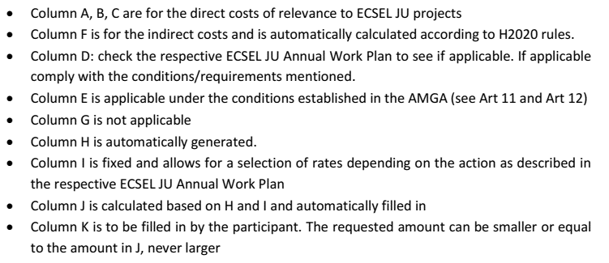
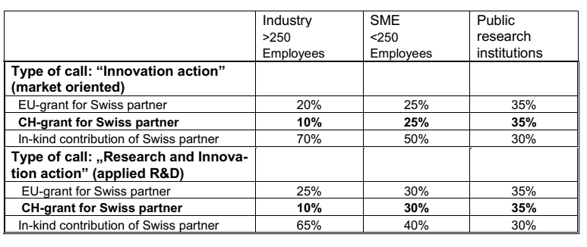

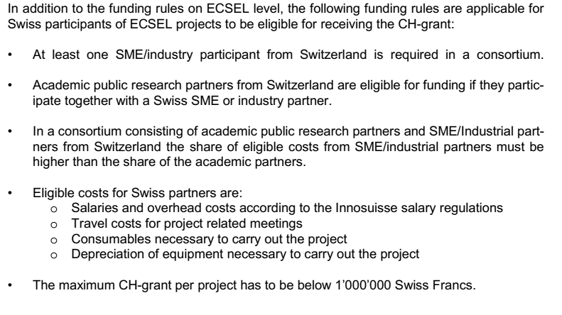
 |  |  |  |  |  |  |  |  |  |  |  |  |  |  |  |  |  | Check if in accordance with rules

 |  |  |  |  |  |  |  |  |  |  |  |  |  |  |  |  |  |  | Select if OK |  | Comments:
 |  |  |  |  |  |  |  |  |  |  |  |  |  |  |  |  |  | OK?

 |  |  |  |  |  |  |  |  |  |  |  |  |  |  |  |  |  | OK?

 |  |  |  |  |  |  |  |  |  |  |  |  |  |  |  |  |  | OK?

 |  |  |  |  |  |  |  |  |  |  |  |  |  |  |  |  |  | OK?

 |  |  |  |  |  |  |  |  |  |  |  |  |  |  |  |  |  | OK?

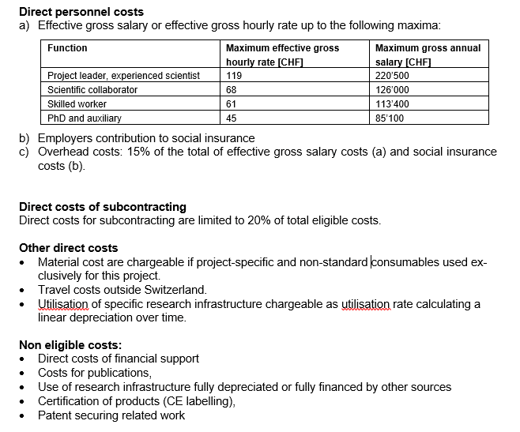

(1850h per year)

 |  |  |  |  |  |  |  |  |  |  |  |  |  |  |  |  |  | OK?

 |  |  |  |  |  |  |  |  |  |  |  |  |  |  |  |  |  | OK?

 |  |  |  |  |  |  |  |  |  |  |  |  |  |  |  |  |  | OK?

 |  |  |  |  |  |  |  |  |  |  |  |  |  |  |  |  |  | OK?

